DocMan
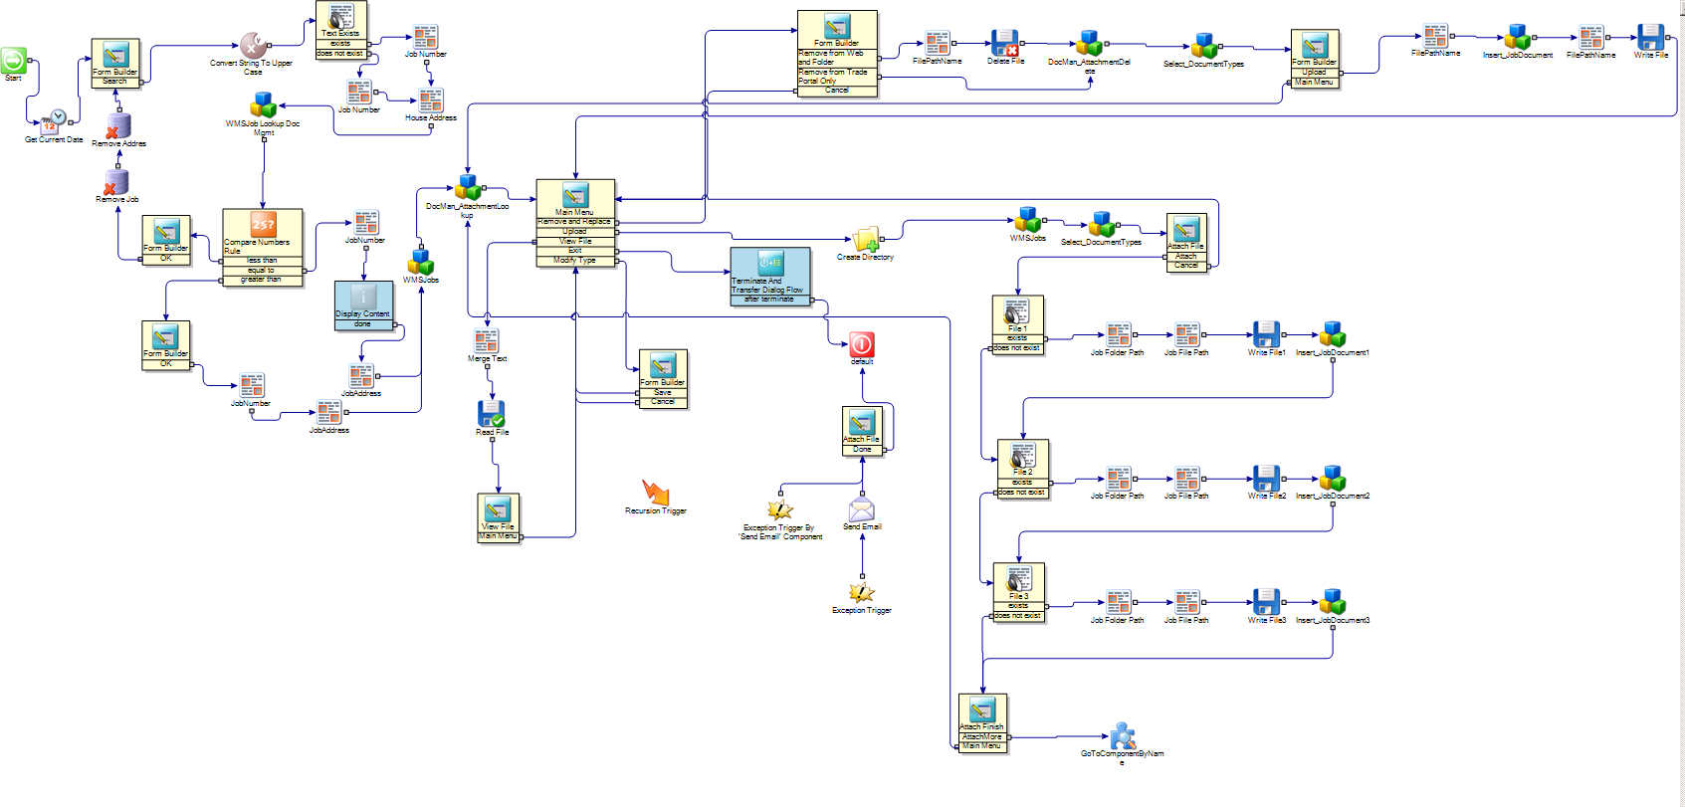

SchedLookup
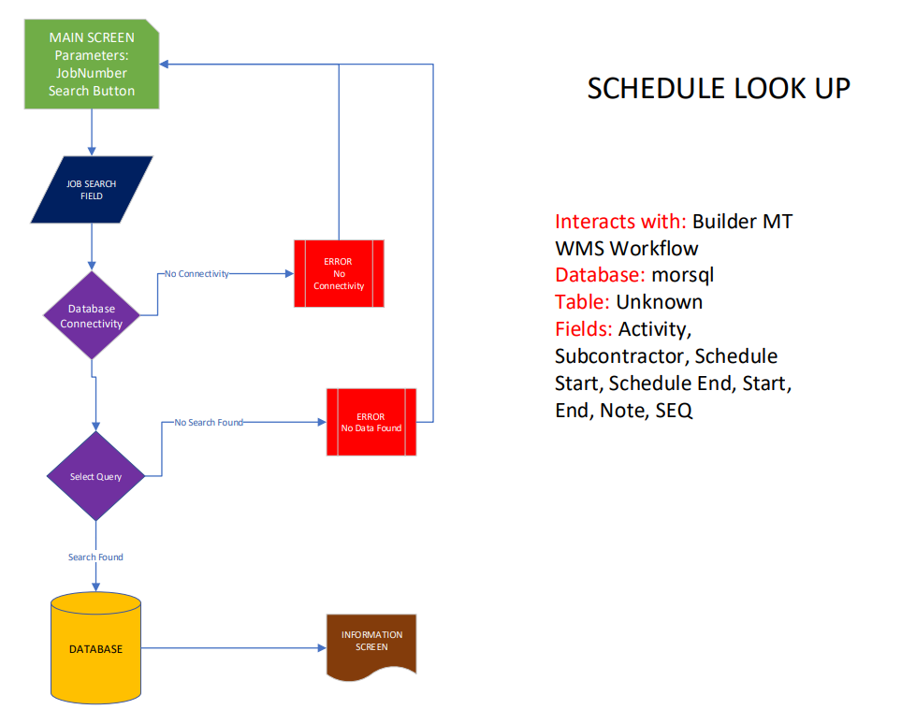
OPERATION EXPENSE |  | OPTIONS | PAGE | PAGE OPTIONS | LINE OPTIONS

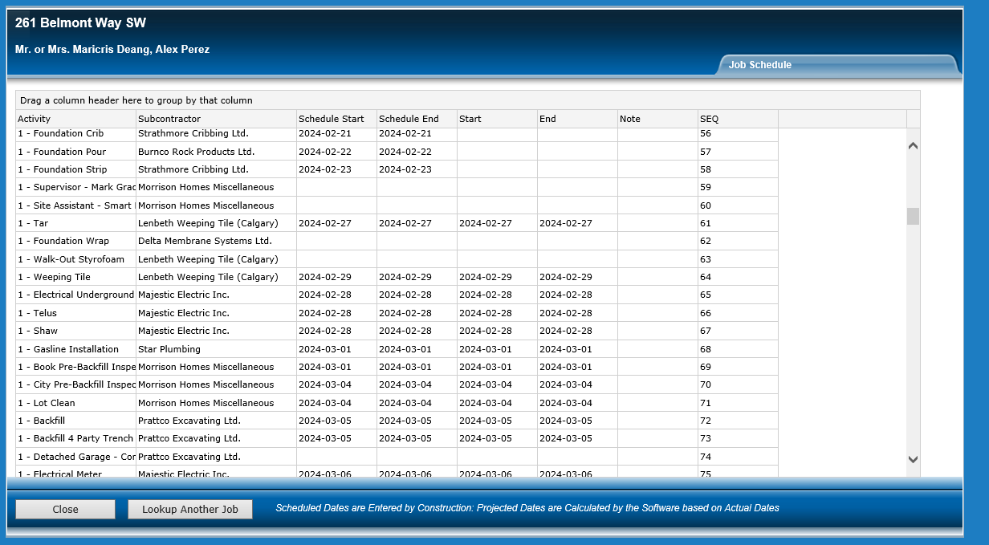
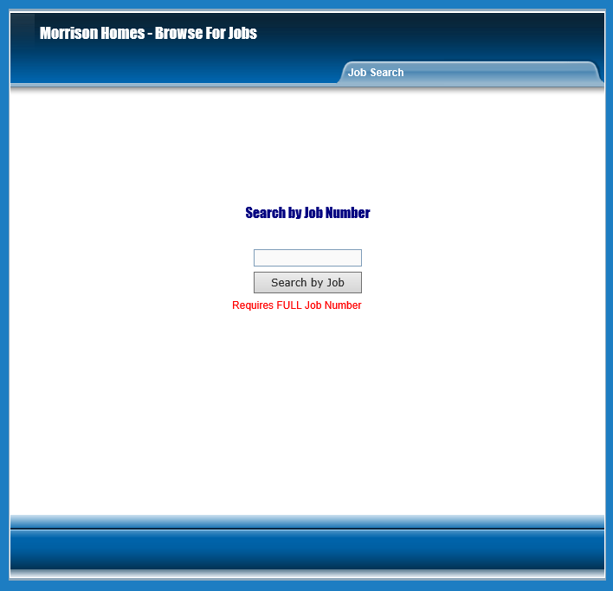
old screen and layout
Document: | ScheduleLookUp.vsdx

